5. ROC space
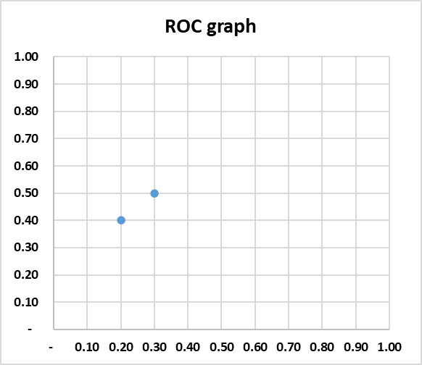
A
B
Models M1 and M2 have the following classification matrices. Consider this ROC graph:

(a) Which point on the graph corresponds to Model M1? |  |  |  |  | B | <== Enter A or B here
(b) Which point on the graph corresponds to Model M2? |  |  |  |  | A | <== Enter A or B here

 | Model M1 |  |  | Model M2
 | Predicted | Actual |  | Predicted | Actual
 |  | p | n |  | p | n
 | Y | 10,000 | 24,000 | Y | 8,000 | 16,000
 | N | 10,000 | 56,000 | N | 12,000 | 64,000
 | Total | 20,000 | 80,000 | Total | 20,000 | 80,000

 |  | MODEL A |  | MODEL B

 | TPR | 0.5 |  | TPR | 0.4
 | FPR | 0.3 |  | FPR | 0.2

